Calculator
 |  |  | STUB ACME CALCULATOR

 |  |  |  | HEADER CATEGORY | INPUT | PP STANDARD
 |  |  |  | GROUP CATEGORY | CRITICAL OUTPUT | STD. OVERRIDED
PROJECT:
PART NUMBER / REV #:
CALCULATIONS BY:
REVIEWED BY:
DATE:
THREAD PROFILE
THREAD SIZE |  |  |  |  | THREAD DIMENSIONS |  | Pin
Property |  | Units | Value |  | Property | Units | Value
Nominal Thread Size |  | in. | 5.450 |  | Major Diameter | in. | 5.4500 | +0000
Threads Per Inch |  | 1/in. | 10 |  |  |  |  | -0000
Thread Form: 5.450 - 10 29° STUB ACME - 2G |  |  |  |  | Pitch Diameter | in. | 5.4013 | +0000
 |  |  |  |  |  |  |  | -0000
5° SHOULDER BACK ANGLE |  |  |  |  | Minor Diameter | in. | 5.3700 | +0000
Include Back Angle |  | Yes |  |  |  |  |  | -0000

MATERIAL PROPERTIES |  |  |  |  |  |  | Different Material
Box Material |  | Property | Units | Value | Pin Material | Property | Units | Value
 |  | Material Spec. | - | MAT-19 |  | Material Spec. | - | MAT-19
 |  | Operating Temperature | °F | Room Temp |  | Operating Temperature | °F | Room Temp
 |  | Yield Strength | psi | 110,000 |  | Yield Strength | psi | 110,000
 |  | Ultimate Strength | psi | 125,000 |  | Ultimate Strength | psi | 125,000

THREAD ENGAGEMENT |  |  |  | Select...
Property |  | Units | Value
① | Overall Length (Min) | in. | 2.000
② | Relief Length (Max) | in. | 0.215
③ | Counterbore Length (Max) | in. | 0.215
Machining Allowance |  | in. | 0.200
Total Thread Engagement |  | in. | 1.370

TORQUE DIMENSIONS |  |  |  | Externally Shouldered
Property |  | Units | Value
① | Box OD (Min) | in. | 6.485
② | Box Relief (Max) | in. | 5.510
③ | Pin ID (Max) | in. | 4.770
④ | Pin Relief (Min) | in. | 5.330
⑤ | Outside Shoulder (Min) | in. | 5.330
⑥ | Inside Shoulder (Max) | in. | 4.780
Thread Friction |  | - | 0.08
Shoulder Friction |  | - | 0.08

 | Torque Profile |  | Makeup Torque |  | Max |  | Shoulder Seperation |  | Tolerance
0 | 488,643 | 5,500 | 0 | 6000 | 0 | 0 | 0 | 5000 | 0
6,358 | 488,643 | 5,500 | 488,643 | 6000 | 488643.32134 | 6357.7995533 | 488,643 | 5000 | 488643.32134
19,504 | 0
PERFORMANCE DATA
YIELD LOADS |  |  |  | EXTERNALLY SHOULDERED - TORQUE VS PULL STRENGTH
Property |  | Units | Value
Box Relief (In Tension) |  | lbs. | 1,010,386
Box Threads (Shear) |  | lbs. | 749,509
Box Body (Hoop - Burst) |  | lbs. | TBI
Pin Relief (Tension) |  | lbs. | 488,643
Pin Threads (Shear) |  | lbs. | 671,443
Pin Body (Hoop - Collapse) |  | lbs. | TBI
Box Bearing Shoulder |  | lbs. | -
Pin Bearing Shoulder |  | lbs. | 508,657
YIELD TORQUES
Property |  | Units | Value
Box Threads (Shear) |  | ft-lbs | 29,916
Box Body (Hoop - Burst) |  | ft-lbs | TBI
Pin Relief (Tension) |  | ft-lbs | 19,504
Pin Threads (Shear) |  | ft-lbs | 26,800
Pin Body (Hoop - Collapse) |  | ft-lbs | TBI
Box Shoulder (Bearing) |  | ft-lbs | -
Pin Shoulder (Bearing) |  | ft-lbs | 20,303
BENDING STRENGTH RATIO
Property |  | Units | Value
Box Section Modulus |  | in^3 | 12.82
Pin Section Modulus |  | in^3 | 5.33
BSR |  | - | 2.41
PLANAR STRESS AT PERIPHERIES
Property |  | Units | Value
Box Shear Stress (Edge) |  | psi | 161
Pin Shear Stress (Edge) |  | psi | 387
JOINT SUMMARY
Property |  |  | Units | Value |  | Note
Recommended Makeup Torque |  |  | ft-lbs | 5500 ± 500 |  | 90% OF SHOULDER SEPERATION; ROUNDED TO THE NEAREST 250 FT-LBS WITH ± 7.5% TOLERANCE
Pull Strength |  |  | lbs. | 488,643 |  | FAILURE IN: Pin Relief (Tension)
Shoulder Seperation @ Makeup Torque |  |  | lbs. | 422,715 |  | SHOULDER WILL SEPARATE AT THIS APPLIED TENSILE LOAD
Point of Pull Strength Degradation |  |  | ft-lbs | 6,358 |  | TORQUE AT WHICH PULL STRENGTH WILL BEGIN TO DEGRADE

Advanced Calculator
EXTERNALLY SHOULDERED - TORQUE VS PULL STRENGTH
 | Torque Profile |  | Custom Torque |  | Pull Strength |  | Tolerance |  | Max
0 | 488,643 | 7585 | 0 | 0 | 443028.58454 | 6826 | 0 | 8777 | 0
6,358 | 488,643 | 7585 | 443028.58454 | 7585 | 443028.58454 | 6826 | 471224.75192 | 8777 | 398728.63624
19,504 | 0

SUPPLEMENTARY PERFORMANCE INFORMATION
Property | Units | Value | Note
Custom Torque | ft-lbs | 7,585 | OVERRIDE RECOMMENDED TORQUE WITH CUSTOM VALUE
Pull Strength | lbs. | 443,029 | FAILURE IN: Pin Relief (Tension)
Bending Strength Ratio | in^3 | 2.41 | RECOMMENDED RANGE: 1.8 - 2.5 for OD < 6" 2.25 - 2.75 for OD of 6" - 8" 2.5 - 3.2 for OD > 8"
Bearing Ratio | - | 4.5% | DO NOT EXCEED 100%
Custom Min. Makeup Torque | ft-lbs | 6826 | 35% | OF YIELD TORQUE
Custom Max. Makeup Torque | ft-lbs | 8777 | 45% | OF YIELD TORQUE

User Guide
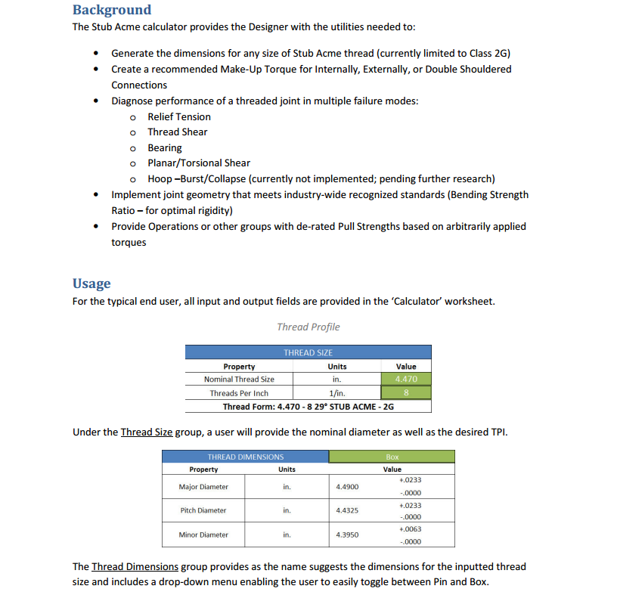

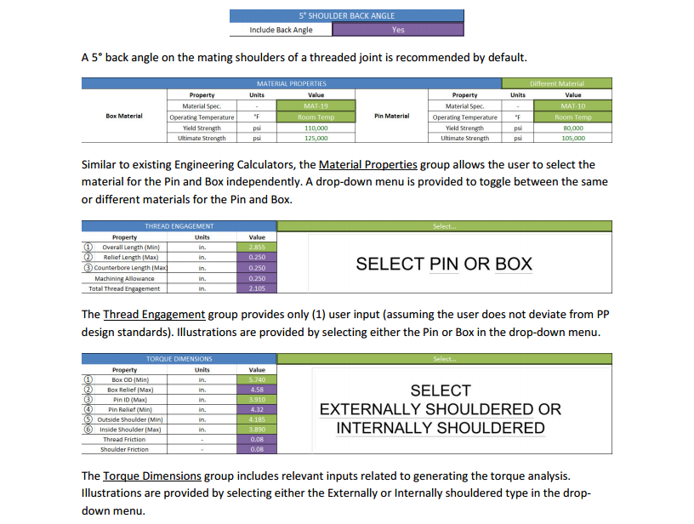

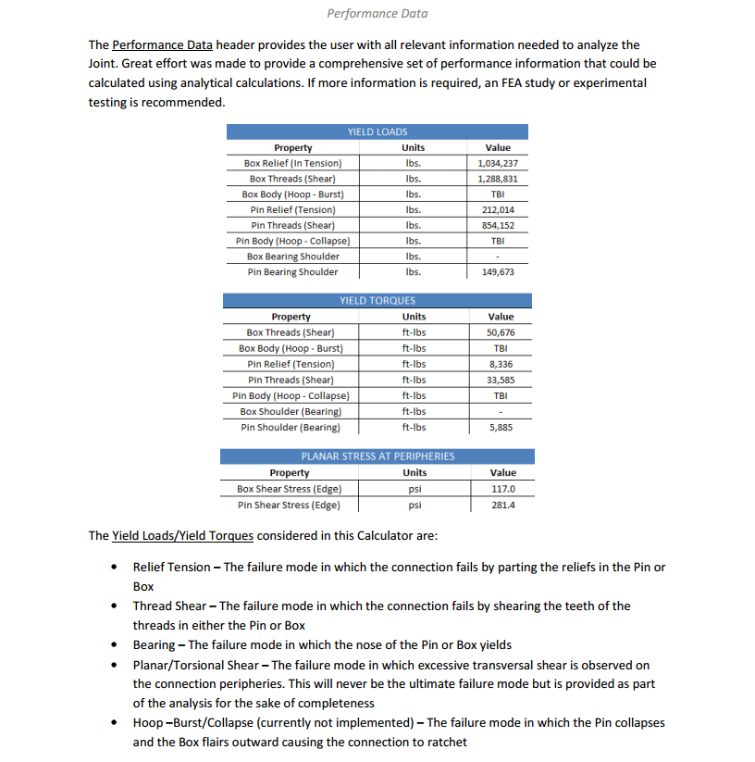

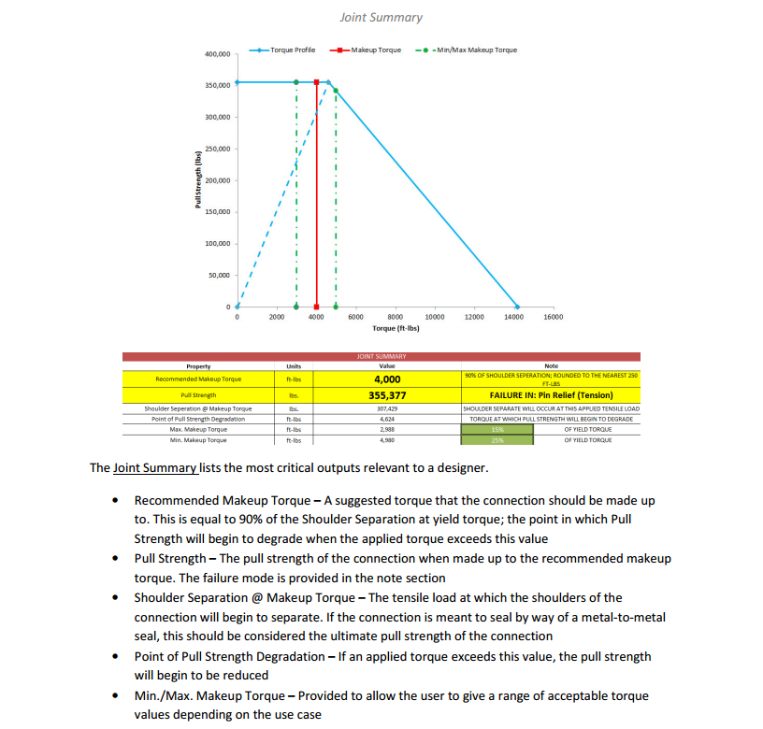

Calculation Record
THREAD DIMENSIONS (NOMINAL)
𝝓
$$φ=\frac{Flank Angle}{2}$$
Pitch - (Ref: Machinery’s Handbook 29th Edition, Pg. 1922)
$$Pitch=\frac{1}{TPI}$$
Thread Allowance - (Ref: Machinery’s Handbook 29th Edition, Pg. 1924)
$$Thread Allowance=\left\{\begin{aligned} 0.01 TPI>10 \\ 0.02 TPI≤10\end{aligned}\right.$$
Major Diameter (Pin) - (Ref: Machinery’s Handbook 29th Edition, Pg. 1924 Equation No. 1)
$$Major Diameter=Nominal Thread Size$$
Pitch Diameter (Pin) - (Ref: Machinery’s Handbook 29th Edition, Pg. 1924 Equation No. 3)
$$Pitch Diameter=Nominal Thread Size−0.3∗Pitch− 0.008∗ \sqrt{Nominal Thread Size}$$
Minor Diameter (Pin) - (Ref: Machinery’s Handbook 29th Edition, Pg. 1924 Equation No. 5)
$$Minor Diameter=Nominal Thread Size−0.6∗Pitch−Thread Allowance$$
THIS EQN DIFFERS FROM THE FORM GIVEN IN THE REFERENCE MATERIAL BUT MATCHES PRE-EXISTING SA CALCULATORS
Major Diameter (Box) - (Ref: Machinery’s Handbook 29th Edition, Pg. 1924 Equation No. 7)
$$Major Diameter=Nominal Thread Size+Thread Allowance$$
Pitch Diameter (Box) - (Ref: Machinery’s Handbook 29th Edition, Pg. 1924 Equation No. 9)
$$Pitch Diameter=Nominal Thread Size−0.3∗Pitch$$
THIS EQN DIFFERS FROM THE FORM GIVEN IN THE REFERENCE MATERIAL BUT MATCHES PRE-EXISTING SA CALCULATORS
Minor Diameter (Box) - (Ref: Machinery’s Handbook 29th Edition, Pg. 1924 Equation No. 11)
$$Minor Diameter=Nominal Thread Size−0.6∗Pitch$$
THIS EQN DIFFERS FROM THE FORM GIVEN IN THE REFERENCE MATERIAL BUT MATCHES PRE-EXISTING SA CALCULATORS
THREAD DIMENSIONS (TOLERANCES)
Major Diameter (Pin) - (Ref: Machinery’s Handbook 29th Edition, Pg. 1924 Equation No. 2)
$${Major Diameter }_{− 0.5 ∗ Pitch}^{+ .0000}$$
Pitch Diameter (Pin) - (Ref: Machinery’s Handbook 29th Edition, Pg. 1924 Equation No. 4)
$${Pitch Diameter}_{ − 0.006∗ \sqrt{Nominal Thread Size}+0.03∗ \sqrt{Pitch} }^{+ .000}$$
Minor Diameter (Pin) - (Ref: Machinery’s Handbook 29th Edition, Pg. 1924 Equation No. 6)
$${Minor Diameter}_{ − 0.006∗ \sqrt{Nominal Thread Size}+0.03∗ \sqrt{Pitch} }^{+ .0000}$$
THIS EQN DIFFERS FROM THE FORM GIVEN IN THE REFERENCE MATERIAL BUT MATCHES PRE-EXISTING SA CALCULATORS
Major Diameter (Box) - (Ref: Machinery’s Handbook 29th Edition, Pg. 1924 Equation No. 8)
$${Major Diameter }_{− .0000}^{+ 0.006∗ \sqrt{Nominal Thread Size}+0.03∗ \sqrt{Pitch} }$$
THIS EQN DIFFERS FROM THE FORM GIVEN IN THE REFERENCE MATERIAL BUT MATCHES PRE-EXISTING SA CALCULATORS
Pitch Diameter (Box) - (Ref: Machinery’s Handbook 29th Edition, Pg. 1924 Equation No. 10)
$${Pitch Diameter }_{− .0000}^{+ 0.006∗ \sqrt{Nominal Thread Size}+0.03∗ \sqrt{Pitch}}$$
THIS EQN DIFFERS FROM THE FORM GIVEN IN THE REFERENCE MATERIAL BUT MATCHES PRE-EXISTING SA CALCULATORS
Minor Diameter (Box) (Ref: Machinery’s Handbook 29th Edition, Pg. 1924 Equation No. 12)
$${Minor Diameter }_{− .0000}^{+ 0.05 ∗ Pitch}$$
YIELD LOADS
Box Relief (In Tension) - (Ref: Derived equation)
$$Box Relief \left(In Tension\right)=Box Yield∗ \frac{π}{4}∗\left({BoxOD}^{2}−{BoxRelief}^{2}\right)$$
Box Threads (Shear)- (Ref: EC-011 Rev.01)
$$Box Threads \left(Shear\right)=0.577∗BoxYield∗ π∗TPI∗Thread Engagement∗\left(Nominal Thread Size−Box Minor Diameter Tolerance\right)∗( \frac{1}{2∗TPI}+\left(\left(Nominal Thread Size−Box Minor Diamter Tolerance\right)−\left(Box Pitch Diameter+Box Pitch Diameter Tolerance\right)\right)∗\tan{(φ)}$$
Pin Relief (Tension) - (Ref: Derived equation)
$$Pin Relief \left(Tension\right)= Pin Yield∗ \frac{π}{4}∗\left({PinRelief}^{2}−{PinID}^{2}\right)$$
Pin Threads (Shear) - (Ref: EC-011 Rev.01)
$$Pin Threads \left(Shear\right)= 0.577∗BoxYield∗ π∗TPI∗Thread Engagement∗\left(Box Minor Diameter−Box Minor Diameter Tolerance\right)∗( \frac{1}{2∗TPI}+\left(\left(Pin Pitch Diamter−Pin Pitch Diamter Tolerance\right)−\left(Box Minor Diameter+Box Minor Diameter Tolerance\right)\right)∗\tan{(φ)}$$
Bearing Area - (Ref: Derived equation)
$$BearingArea= \left\{\begin{aligned}\left(\frac{OutsideShoulder −InsideShoulder}{\cos\left(Ρ\right)}\right)∗(InsideShoulder+ \left(\frac{OutsideShoulder −InsideShoulder}{\cos\left(Ρ\right)}\right) ∗2π isBackAngle="Yes" \\ \frac{π}{4} ∗\left({Outside Shoulder}^{2} − {InsideShoulder}^{2}\right) isBackAngle="No"\end{aligned}\right.$$
Box Bearing Shoulder - (Ref: Derived equation)
$$Box Bearing Shoulder=BoxYield∗BearingArea$$
Pin Bearing Shoulder- (Ref: Derived equation)
$$Pin Bearing Shoulder=PinYield∗BearingArea$$
YIELD TORQUES
Yield Torque (Ref: ACME/STUB ACME Thread Strength Calculation -Wihaga)
$$Yield Torque=\frac{Axial Force∗(\left(\frac{Pitch}{2π}\right)+\left(\frac{Pitch Diameter∗Friction Factor}{2∗\cos\left(φ\right)}\right)+\left(Mid Point Radius∗Friction Factor\right)) }{12}$$
BENDING STRENGTH RATIO
Box Section Modulus - (Ref: API Recommended Practice 7G – Addendum 1)
$$Box Section Modulus= \frac{π}{32}∗\frac{{Box OD}^{4}−{Box Relief}^{4}}{Box OD}$$
Pin Section Modulus - (Ref: API Recommended Practice 7G – Addendum 1)
$$Pin Section Modulus= \frac{π}{32}∗\frac{{Pin Relief}^{4}−{Pin ID}^{4}}{Box OD}$$
Bending Strength Ratio - (Ref: API Recommended Practice 7G – Addendum 1, Eqn A.27)
$$BSR= \frac{Box Section Modulus}{Pin Section Modulus}$$
PLANAR STRESS AT PERIPHERIES
Box Shear Stress (Edge) - (Ref: Mechanics of Materials 4E - Pg. 140, EQN .3.9)
$$τ_{max}= \frac{Tc_{max}}{J_{box}}$$
$$c_{max}= \frac{BoxOD}{2}$$
$$J_{box}= \frac{1}{2}∗π∗({BoxOD}^{4}− {BoxRelief}^{4})$$
Pin Shear Stress (Edge)- (Ref: Mechanics of Materials 4E - Pg. 140, EQN .3.9)
$$τ_{max}= \frac{Tc_{max}}{J_{pin}}$$
$$c_{max}= \frac{PinOD}{2}$$
$$J_{pin}= \frac{1}{2}∗π ∗({PinRelief}^{4}− {PinID}^{4})$$
DE-RATED PULL STRENGTH
De-rated Pull Strength – (Ref: API Recommended Practice 7G – Addendum 1 & Equation of a Line)
$$PS=\left\{\begin{aligned}Nom. PS, &Input Torque≤Shoulder Seperation \\ Nom. PS−\left(Input Torque−Shoulder Seperation\right)∗Slope, &Input Torque>Shoulder Seperation\end{aligned}\right.$$
BEARING RATIO
Bearing Ratio - (Ref: Derived equation)
$$Bearing Ratio=\left\{\begin{aligned}\frac{Axial Force}{Pin Bearing Force}, External Shoulder \\ \frac{Axial Force}{Box Bearing Force}, Internal Shoulder\end{aligned}\right.$$
PACKERS PLUS STANDARDS
Relief Length
$$Relief Length= 2 ∗ Pitch$$
Counterbore Length
$$Counterbore Length=2 ∗ Pitch$$
Maching Allowance
$$Machining Allowance=2 ∗Pitch$$
Box Relief
$$Box Relief=Major Dia. + .040$$
Pin Relief
$$Pin Relief=Minor Dia. − .040$$
Thread Engagement
$$Thread Engagement=Overall Length−Relief Length−Counterbore Length−2∗Pitch$$
GENERAL REFERENCES
API Recommended Practice 7G-Addendum 1
29th Machinery's Handbook
API 6A/16A/17D
See EM-428 for additional information.

